Instruction
Uppdaterad 2025-11-18
Instruktion tidredovisning |  |  |  |  | Välj språk/Choose language: | Svenska
 | De rosa flikarna ska fyllas i av forskaren och de gröna av ekonom/ekonomiadministratör.
 | För att göra redovisningen av EU-projekt enklare har vi förbättrat tidredovisningsmallen genom att lägga till flikarna ”To Project follow-up”, ”Salary” och "Summary hours".
 | Dessa flikar är avsedda att användas av din ekonomiadministratör för att hantera och redovisa projektets ekonomi på ett effektivt sätt.
 | Kom ihåg att alltid använda den senaste verionen av projektuppföljningsmallen.
* | Använd en mall för varje projekt och varje person. Om du har flera projekt att rapportera behöver du skapa en separat mall för varje projekt.
* | Börja i bladet "Total days" och fyll i projektnamn, organisation och medarbetarnamn i de rosa fälten i det övre högra hörnet. Informationen förs då över till alla blad.
* | På fliken "Total days" anger du det aktuella året i cell C7. Detta säkerställer att helgdagar placeras på rätt dag, oavsett år eller månad.
* | Registrera arbetade timmar dagligen i respektive månad för varje WP.
* | Du kan även registrera semester, särskild ledighet och sjukdom genom att ange timmar per dag. (Valfritt)
* | Timmarna summeras automatiskt och räknas om till dagar och personmånader för varje WP, samt till en totalsumma för månaden.
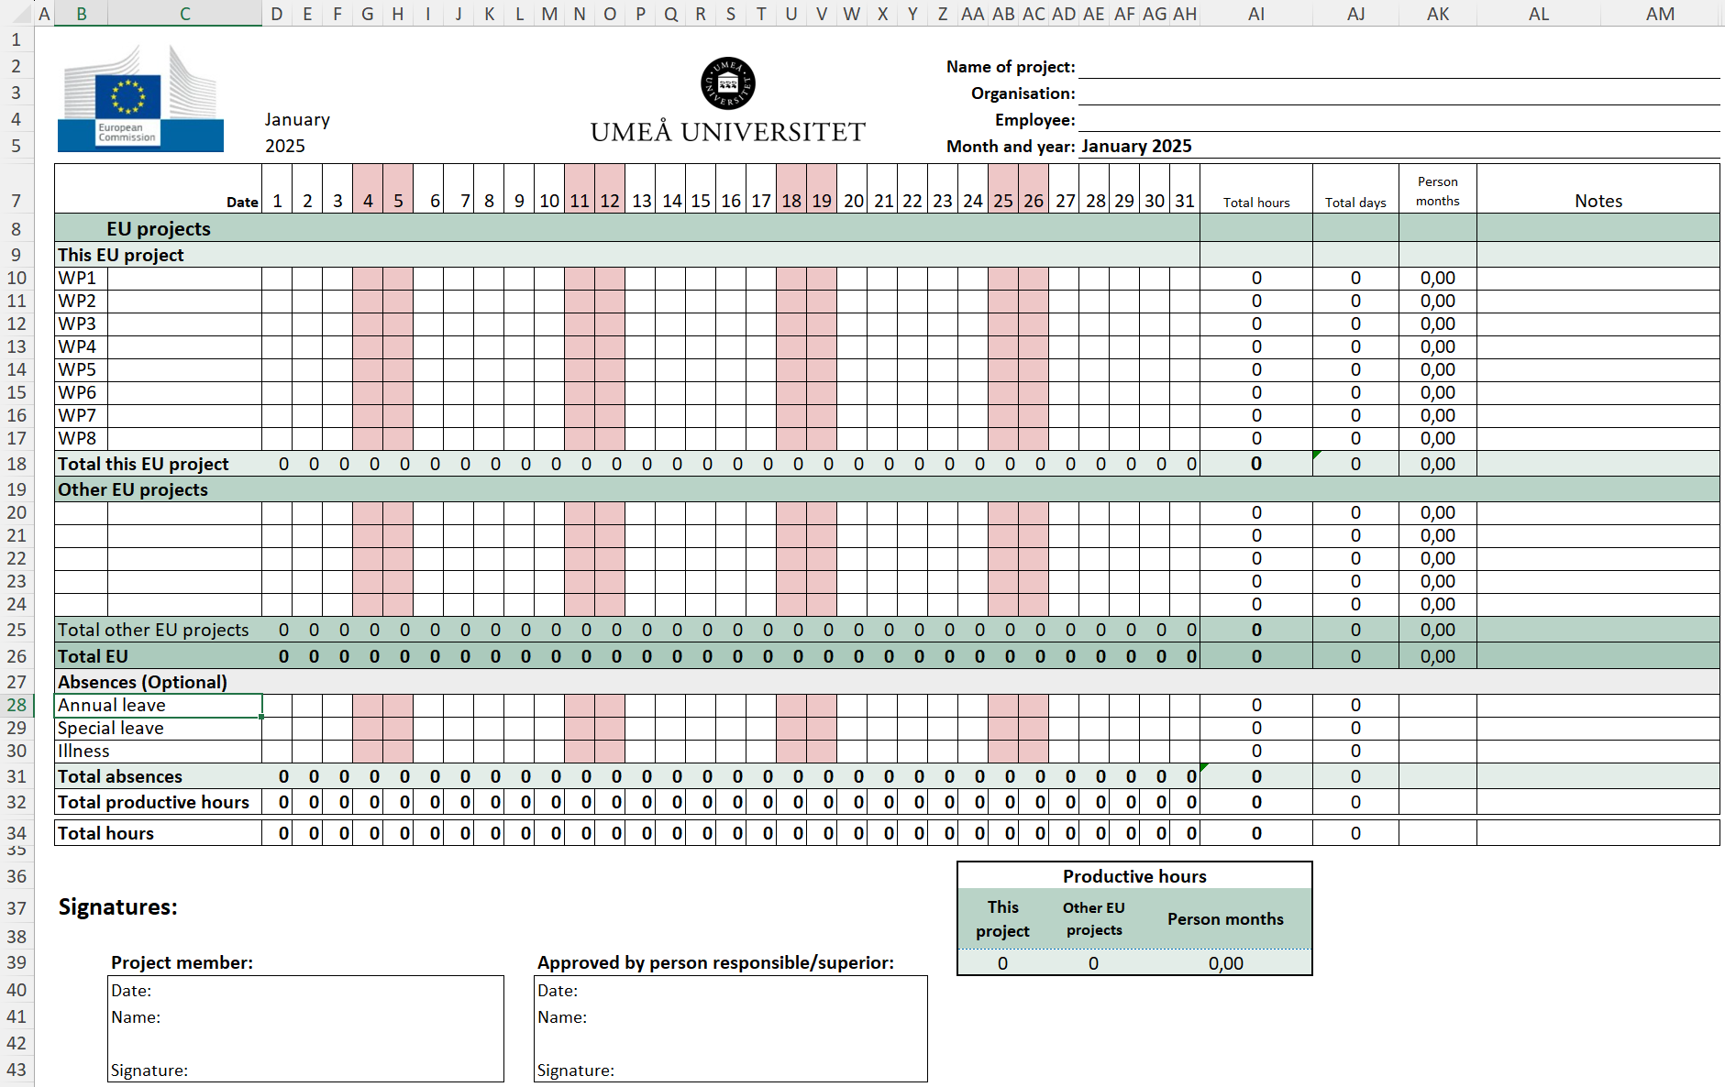

 |  |  | Detta är en månadsflik.

* | Varje månad summeras till fliken "Total days" för projektet.
* | Observera att i Horisont Europa och Horisont 2020-projekt kan du maximalt rapportera 1 720 timmar per år och 215 dagar totalt.
* | Varningar visas när följande gränser överskrids: 1 720 timmar/år, 215 dagar/år, 17,92 dagar/månad, 1 personmånad/månad och 12 personmånader/år.
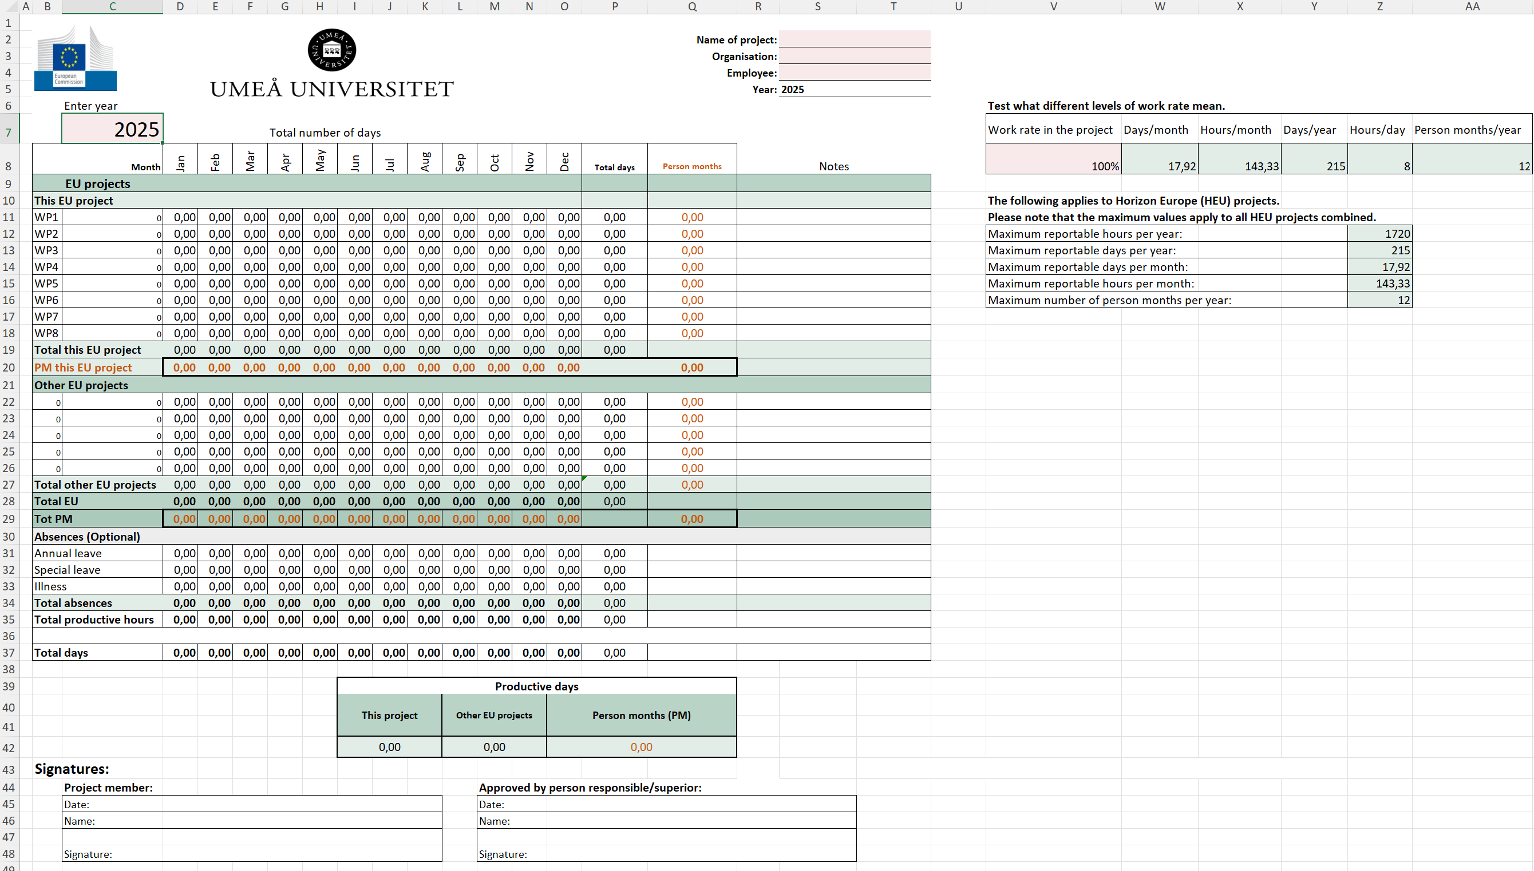

 |  | I fliken "Total days" visas summeringarna.

 | Fliken "Salary"
 | I denna flik registrerar du månadslönen (exklusive LKP) i cellerna H13–H24. Denna används sedan som grund för kostnadsberäkningarna.
 | I cell C9 väljer du vilken kategori personen tillhör.
 | Månadskostnaden i cellerna J13–J24 är den kostnad som ska belasta projektet i Raindance.

 | Fliken" To Project follow-up"
 | I cell C11 väljer du den månad du vill visa transaktioner för. Transaktionerna visas direkt under.
 | Kopiera B13–F22 för att klistra in transaktionerna i projektuppföljningsmallen under rätt periodflik.
 | I cell O29 kan du välja ett WP för att se transaktioner från alla periodflikar.

 | Fliken "Summary hours"
 | Denna flik innehåller samma grunddata som "Total days", men visar timmar istället. Alla varningar visas även här.

 | Så här beräknar du:
 | Personmånader |  | PM = Personmånad
 | Om du arbetar 1 720 timmar på ett år, motsvarar det 12 personmånader.

 | Följande gäller för Horisont Europa-projekt (HEU):
 | Observera att maxvärdena omfattar alla HEU-projekt totalt och inte får överskridas.
 | Max antal rapporteringspliktiga timmar per år: |  |  | 1720
 | Max antal rapporteringspliktiga dagar per år: |  |  | 215
 | Max antal rapporteringspliktiga dagar per månad: |  |  | 17.92
 | Max antal rapporteringspliktiga timmar per månad: |  |  | 143.33
 | Max antal personmånader per år: |  |  | 12

 | Om du vet antalet arbetade timmar, kan du räkna ut PM.
 | Exempel: (80 timmar/8)/(215/12) = 0,56 PM

 | Om du vet antalet arbetade dagar, kan du räkna ut PM.
 | Exempel: 14 dagar/(215/12) = 0,78 PM

 | Här kan du beräkna PM.
 | Timmar |  | 143.33
 | Personmånad (PM) |  | 1.00

 | Personalkostnad = dagsekvivalent * daglig kostnad
 | Dagsekvivalent = (215/12) * rapporteringsperiodens månader * arbetstidsfaktor
 | Daglig kostnad = faktiska personalkostnader / max rapporterbara dagar (dagsekvivalenter)

To Project follow-up
Kopiera registrerade data till projektuppföljningsmallen.
Kom ihåg att alltid använda den senaste verionen av projektuppföljningsmallen.
 |  |  |  |  |  | Välj språk/Choose language: |  | Svenska
Välj månad---> | Jan 2025
Name | Category | Cost/hour | Hours | WP | Trans.Month

 |  |  |  |  |  |  | Gå till rätt flik i projektuppföljningsmallen, beroende på period, och klistra in registrerade data med högerklick - klistra in värden.
* Välj månad i cell C11.
* Öppna projektuppföljningsmallen.
* Markera det grönmarkerade området här ovanför och tryck ctrl+c.
* Gå till projektuppföljningsmallen till den flik du avser att kopiera in till och ställ dig i första lediga cell till vänster i kolumn "Name of the researcher".
* Högerklicka och välj inklistringsalternativ: Värden (V) eller tryck Ctrl+Alt+V och välj "Värden".

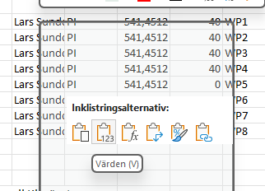
 |  |  |  |  |  |  |  | Kontroll av tid per arbetspaket (WP) |  |  | WP1
 |  |  |  |  |  |  |  |  |  |  | 0.00
 |  |  |  |  |  |  |  | Name | Category | Cost/hour | Hours | WP | Period

